Cover
 |  | UNISONIC TECHNOLOGIES CO., LTD

12W LED Driver Using UL6206B
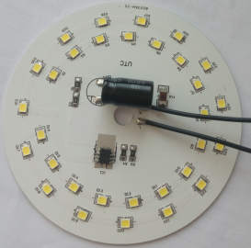

Subject
UL6206B 12W/40mA LED Driver Demo Board Manual

特点：
● 外围电路极其简单，无需变压器及电感器件
● 具有过温保护及自恢复功能
● 可将元件直接布于LED 灯板上，可自动化生产
● 方案元件极少，超低成本
● 无频闪
● 具有良好的EMI 性能

Revision History

Revise Date |  | Version | Reason/Issue
2022-02-20 |  | A | First Issue

 | UNISONIC TECHNOLOGIES CO., LTD
 | www.unisonic.com.tw

Info
12W LED Driver Using UL6206B

2. LED Demo Board Information
2.1. Schematic

2.2. BOM
No. | Position | Description | Quantity
1 | FU1 | 1A/250V,2410 | 1
2 | BD1 | UTC MB10S | 1
3 | C1 | 10uF,400V | 1
4 | R1,R2 | 560KR,5%,1206 | 2
5 | R3 | 27R,1%,1206 | 1
6 | R4 | 30R,1%,1206 | 1
7 | LED1-LED31 | 9V/0.5W LED ,2835 | 31
8 | IC1 | UTC UL6206B HSOP-8 | 1

2.3. Demo Board Snapshot

70mm

70mm

 | UNISONIC TECHNOLOGIES CO., LTD
 | www.unisonic.com.tw

Performance
12W LED Driver Using UL6206B

3. Performance Evaluation
This document presented here is to describe the power module performance.
The measuring data are tested at the board end, unless otherwise specified.

The Summarized Result :
Item |  |  |  |  |  | Test result
1. Input Characteristics
Efficiency (@220Vac) |  |  |  |  |  | 87.39%@220Vac
2. Output characteristics
Maximum Output Power |  |  |  |  |  | 12W
Output Typical Voltage |  |  |  |  |  | 262V@220Vac
Output Typical Current |  |  |  |  |  | 40mA@220Vac

Test Equipment:
Item |  |  | Vendor |  |  | Model No:
1.AC Source |  |  | GW INSTEK |  |  | APS-9501
2.Digital Power meter |  |  | DECTECH |  |  | 3330S
3. LED Load
4.Digital Oscilloscope |  |  | Tektronics |  |  | DPO3012
5.Multi-meter

 | UNISONIC TECHNOLOGIES CO., LTD
 | www.unisonic.com.tw

12W LED Driver Using UL6206B
3.1 Test data
VIN(Vac ) | Pin(W) | PF | Io(mA) | Vo(V) | EFF
180 | 2.29 | 0.432 | 8.93 | 247.53 | 96.53%
190 | 5.75 | 0.473 | 21.72 | 254.85 | 96.27%
200 | 9.11 | 0.491 | 33.21 | 259.96 | 94.77%
210 | 11.44 | 0.497 | 39.97 | 262.51 | 91.72%
220 | 12.26 | 0.496 | 40.83 | 262.41 | 87.39%
230 | 12.89 | 0.494 | 40.91 | 262.06 | 83.17%
240 | 13.51 | 0.493 | 41.01 | 261.74 | 79.45%
250 | 14.15 | 0.493 | 41.13 | 261.47 | 76.00%
264 | 15.05 | 0.496 | 41.26 | 261.16 | 71.60%

3.2 温升
测试条件：置于无对流的恒温箱中点亮30min，Vin=220Vac
IC温度 | 光源板温度 |  | 环境温度 |  | 输出电流
96.59℃ | 94.7℃ |  | 25℃ |  | 40.26mA

 | UNISONIC TECHNOLOGIES CO., LTD
 | www.unisonic.com.tw

EMI
12W LED Driver Using UL6206B

4 EMI
 |  | Live Conduction@220Vac/50Hz, full load
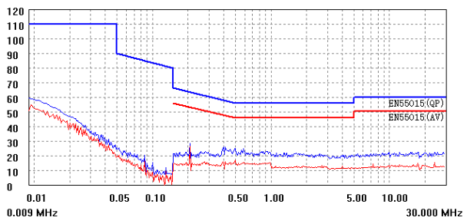

 |  | Netural Conduction@220Vac/50Hz, full load
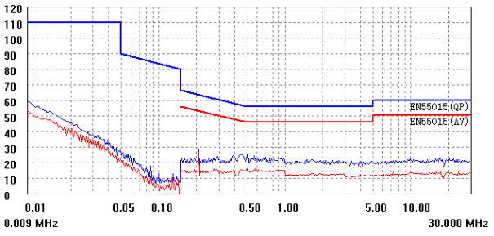

 |  | Vertical Radiated@220Vac/50Hz, full load
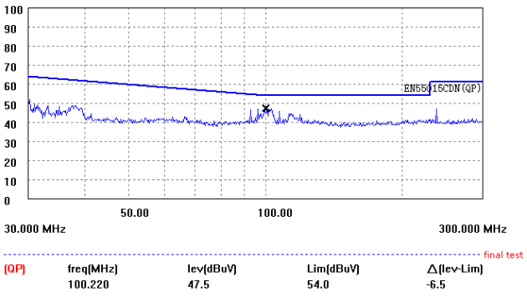

 | UNISONIC TECHNOLOGIES CO., LTD
 | www.unisonic.com.tw

